Sheet7
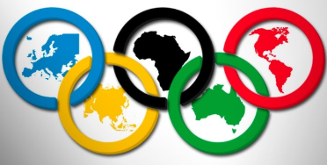
Country | (All)
Athlete | (All)

Olympic athletes
Row Labels | Sum of Total Medals
Alpine Skiing | 90
Archery | 96
Athletics | 753
Badminton | 96
Baseball | 216
Basketball | 287
Beach Volleyball | 48
Biathlon | 138
Bobsleigh | 72
Boxing | 188
Canoeing | 333
Cross Country Skiing | 174
Curling | 82
Cycling | 306
Diving | 144
Equestrian | 182
Fencing | 256
Figure Skating | 54
Football | 407
Freestyle Skiing | 42
Gymnastics | 282
Handball | 351
Hockey | 388
Ice Hockey | 384
Judo | 224
Luge | 36
Modern Pentathlon | 24
Nordic Combined | 54
Rhythmic Gymnastics | 84
Rowing | 576
Sailing | 210
Shooting | 192
Short-Track Speed Skating | 138
Skeleton | 18
Ski Jumping | 54
Snowboarding | 48
Softball | 134
Speed Skating | 140
Swimming | 765
Synchronized Swimming | 129
Table Tennis | 84
Taekwondo | 112
Tennis | 78
Trampoline | 24
Triathlon | 24
Volleyball | 281
Waterpolo | 306
Weightlifting | 180
Wrestling | 245
Grand Total | 9529

